screenshot
Defect 15


Defect 16
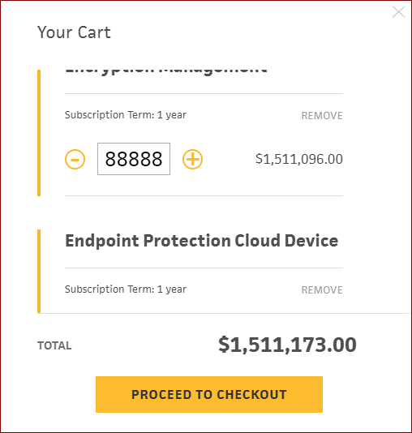

defect 22

